Sales Recap Order Sheet
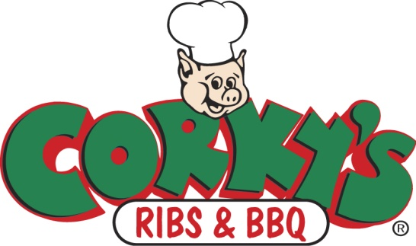
 |  |  | PLAYER WORKSHEET |  |  |  |  | PLEASE COMPLETE ALL THE INFORMATION

 |  |  |  | Team
 |  |  |  | Contact name
 |  |  |  | EMAIL ADDRESS
 |  |  |  | Phone Number
 |  |  |  | ORDER DEADLINE |  |  |  | Sunday, November 12
 |  |  |  | PICK UP |  | DATE |  | Monday, November 20
 |  |  |  | PICK UP |  | LOCATION |  | Fellowship Baptist Church, 7002 US Hwy 70, Bartlett, TN 38133

PLEASE INSERT THE TOTAL NUMBER YOU ARE ORDERING PER ITEM, FOLLOWED BY THE TOTAL COST PER TYPE OF ITEM. YOU WILL ENTER THE GRAND TOTAL AT THE BOTTOM.
 |  |  |  |  | TOTAL |  | COST
 | Red numbers are YOUR COST
Hickory Smoked Boston Butt |  | $21.00

Spiral Sliced Honey Glazed Hams |  | $36.99

Hickory Smoked Whole Turkey |  | $29.99

Hickory Smoked Turkey Breast |  | $36.99

Hickory Smoked Pork Rib Chops |  | $24.00

Corky's Slab of Ribs |  | $12.00

Corky's Bar-B-Que Sauce |  | $2.00
 |  |  |  |  |  |  |  |  |  |  | TOTAL
Corky's Gourmet Cakes |  | $33.00 |  |  | Caramel |  | Chocolate |  | Strawberry

Corky's NEW Restaurant Party Packs Redeemable at the Restaurants |  |  |  |  | 6 Pack |  | 8 Pack |  | 10 Pack
 |  |  |  |  |  | $39.50 |  | $52.00 |  | $64.00
Family Packs are redeemable only at the Poplar, Collierville, Cordova, and Olive Branch restaurants. |  |  |  |  |  |  |  |  |  |  | GRAND TOTAL
Family Packs include BBQ pulled pork, BBQ baked beans, coleslaw, BBQ sauce, and buns

Please email your order to: lisaconley2002@yahoo.com

PICK UP ADDRESS: Fellowship Baptist Church, 7002 US Hwy 70, Bartlett, TN 38133

PLAYER MAKES ONE CHECK PAYABLE TO: MHEA Basketball

